TestSummary
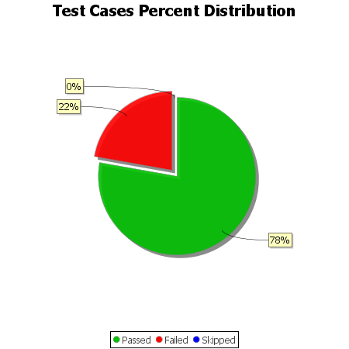
Total Test Cases | 9
Test Cases Passed | 7
Test Cases Failed | 2
Test Cases Skipped | 0

